grain size analysis
before the flood (2010)
after the flood (2010)
mean
percent passing(%)
particle size (mm)
* grain-size distribution of bed material (2010) _ Grab sampler(60L)
particle size time | D35(mm) | D50(mm) | D65(mm) | D90(mm) | 균등계수 Coefficient of uniformity (Cu) | 곡률계수 Coefficient of curvature (Cg)
평군 (mean) | 0.87 | 1.36 | 2.78 | 17.42 | 6.69 | 0.96

before the flood (2011)
after the flood (2011)
mean
percent passing(%)
particle size (mm)
* grain-size distribution of bed material (2011) _ grid sampling(Hack_1947)
particle size time | D35(mm) | D50(mm) | D65(mm) | D90(mm) | 균등계수 Coefficient of uniformity (Cu) | 곡률계수 Coefficient of curvature (Cg)
평군 (mean) | 3.07 | 8.98 | 16.07 | 18.91 | 22.05 | 0.52

* grain-size distribution of bed material (2012) _ grid sampling(Hack_1947)

* particle size distribution of suspended sediment (2012) |  |  |  |  |  |  |  |  |  | * grain-size distribution of bed material (2012)

No | particle size distribution of suspended sediment (%) |  |  |  |  |  |  |  |  | particle size time | D10 | D30 | D35 | D60 | D65 | 균등계수 Coefficient of uniformity (Cu) | 곡률계수 Coefficient of curvature (Cg)
 | range (mm) |  |  |  |  |  |  |  | sum | 홍수전 (before the flood) | 0.15 | 0.43 | 0.50 | 0.94 | 1.10 | 2.20 | 1.28
 | 0.0020~ | 0.0222~ | 0.0313~ | 0.0423~ | 0.0626~ | 0.1251~ | 0.2501~ | 0.5001~ |  | 홍수후(after the flood ) | 0.19 | 0.66 | 0.79 | 3.12 | 3.93 | 4.74 | 0.74
 | 0.0221 | 0.0312 | 0.0422 | 0.0625 | 0.125 | 0.25 | 0.5 | 1 |  | 평균 (mean) | 0.17 | 0.50 | 0.62 | 1.61 | 2.10 | 3.22 | 0.94
1 | 46.9 | 18.8 | 23.8 | 5.1 | 2.5 | 1.7 | 0.8 | 0.4 | 100 | particle size time | D5 | D10 | D15 | D20 | D25 | D30 | D35 | D40 | D45 | D50 | D55 | D60 | D65 | D70 | D75 | D80 | D85 | D90 | D95 | D100
2 | 47.7 | 22.3 | 23.2 | 3.4 | 1.6 | 1 | 0.6 | 0.2 | 100 | 홍수전 (before the flood) | 0.11 | 0.15 | 0.20 | 0.24 | 0.33 | 0.43 | 0.50 | 0.60 | 0.68 | 0.76 | 0.85 | 0.94 | 1.10 | 1.49 | 1.95 | 2.66 | 3.42 | 4.73 | 8.29 | 16.00
3 | 44.2 | 21.5 | 31.9 | 0.5 | 1.8 | 0.1 | 0 | 0 | 100 | 홍수후 (after the flood ) | 0.10 | 0.19 | 0.28 | 0.40 | 0.50 | 0.66 | 0.79 | 0.94 | 1.24 | 1.68 | 2.24 | 3.12 | 3.93 | 5.46 | 6.93 | 8.39 | 10.54 | 12.29 | 14.15 | 16.00
4 | 44.3 | 23 | 27.7 | 2.8 | 1.8 | 0.1 | 0.2 | 0.1 | 100 | 평균 (mean) | 0.10 | 0.17 | 0.22 | 0.31 | 0.42 | 0.50 | 0.62 | 0.67 | 0.76 | 0.93 | 1.16 | 1.61 | 2.10 | 2.88 | 3.66 | 5.22 | 7.32 | 9.95 | 13.07 | 16.00
5 | 42.5 | 21.6 | 27.7 | 5.8 | 1.8 | 0.2 | 0.3 | 0.1 | 100
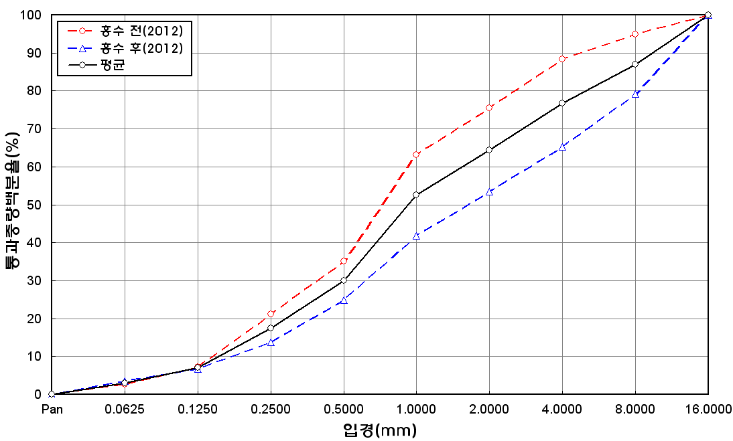
before the flood (2012)
after the flood (2012)
mean
percent passing(%)
particle size (mm)
6 | 47.9 | 22.6 | 25.4 | 2.6 | 1.1 | 0.1 | 0.2 | 0.1 | 100
7 | 45.9 | 17.5 | 24.9 | 6.6 | 2.9 | 1.2 | 0.8 | 0.2 | 100
8 | 45.9 | 17 | 24 | 7.4 | 3.6 | 1.1 | 0.8 | 0.2 | 100
9 | 45.5 | 16.5 | 22.2 | 8.1 | 4.6 | 1.8 | 0.9 | 0.4 | 100
10 | 39.6 | 17.3 | 30.5 | 8.2 | 4.3 | 0.1 | 0 | 0 | 100
11 | 41.9 | 16.7 | 25.6 | 9.4 | 5.4 | 0.5 | 0.4 | 0.1 | 100
12 | 47 | 17.2 | 26.6 | 7.6 | 1.3 | 0.2 | 0.1 | 0 | 100
13 | 48.6 | 21.4 | 23.8 | 4.4 | 1.7 | 0 | 0.1 | 0 | 100
14 | 47.6 | 27.4 | 19.5 | 3.4 | 2 | 0 | 0.1 | 0 | 100
15 | 45.7 | 21.8 | 24.6 | 5.2 | 2.6 | 0 | 0.1 | 0 | 100
16 | 45.8 | 17 | 24.8 | 7.9 | 4.4 | 0.1 | 0 | 0 | 100
17 | 45.5 | 17.9 | 23.2 | 8.1 | 4.8 | 0.2 | 0.2 | 0.1 | 100
18 | 45.1 | 17.4 | 23.8 | 9 | 4.6 | 0 | 0.1 | 0 | 100
19 | 44.8 | 14.7 | 24 | 11.3 | 5.1 | 0.1 | 0 | 0 | 100
20 | 44.8 | 14.8 | 21.9 | 11.6 | 6.3 | 0.4 | 0.2 | 0 | 100
21 | 45 | 13.7 | 22.3 | 11.8 | 6 | 0.7 | 0.4 | 0.1 | 100
22 | 45 | 13.3 | 21.6 | 10.6 | 7.9 | 0.6 | 0.7 | 0.3 | 100
min | 39.6 | 13.3 | 19.5 | 0.5 | 1.1 | 0 | 0 | 0 | -
max | 48.6 | 27.4 | 31.9 | 11.8 | 7.9 | 1.8 | 0.9 | 0.4 | -
mean | 45.3 | 18.7 | 24.7 | 6.9 | 3.6 | 0.5 | 0.3 | 0.1 | 100

* grain-size distribution of bed material (2014) _ grid sampling(Hack_1947)

* particle size distribution of suspended sediment (2014)_Laser Diffraction
 |  |  |  |  |  |  |  |  |  | * grain-size distribution of bed material (2014)_Sieve
No | particle size distribution of suspended sediment (%)
 | range (mm) |  |  |  |  |  |  |  |  | particle size time | D10 | D30 | D35 | D60 | D65 | 균등계수 Coefficient of uniformity (Cu) | 곡률계수 Coefficient of curvature (Cg)
 | 0.0020~ | 0.063~ | 0.126~ | 0.26~ | 0.51~ | 1.1~ | 2.1~ | 4.1~ |  | 홍수전 (before the flood) | - | - | - | - | - | - | -
 | 0.062 | 0.125 | 0.25 | 0.5 | 1 | 2 | 4 | 8 |  | 홍수후(after the flood ) | 0.61 | 1.03 | 1.12 | 1.80 | 1.91 | 2.95 | 0.97
1 | 76.23 | 14.47 | 6.95 | 0.68 | 0 | 0 | 0 | 0 |  | 평균 (mean) | - | - | - | - | - | - | -
2 | 75.9 | 14.02 | 7.45 | 1.34 | 0.28 | 0 | 0 | 0 |  | particle size time | D5 | D10 | D15 | D20 | D25 | D30 | D35 | D40 | D45 | D50 | D55 | D60 | D65 | D70 | D75 | D80 | D85 | D90 | D95 | D100
3 | 76.9 | 15.46 | 6.05 | 0.17 | 0 | 0 | 0 | 0 |  | 홍수전 (before the flood) | - | - | - | - | - | - | - | - | - | - | - | - | - | - | - | - | - | - | - | -
4 | 83.24 | 12.95 | 2.35 | 0.18 | 0 | 0 | 0 | 0 |  | 홍수후 (after the flood ) | 0.52 | 0.61 | 0.72 | 0.82 | 0.93 | 1.03 | 1.12 | 1.26 | 1.40 | 1.53 | 1.64 | 1.80 | 1.91 | 2.26 | 2.65 | 3.10 | 3.52 | 4.00 | 8.00 | 19.00
5 | 16.1 | 17.23 | 5.2 | 0.81 | 0.23 | 0 | 0 | 0 |  | 평균 (mean) | - | - | - | - | - | - | - | - | - | - | - | - | - | - | - | - | - | - | - | -
6 | 76.56 | 14.64 | 6.9 | 0.81 | 0.02 | 0 | 0 | 0
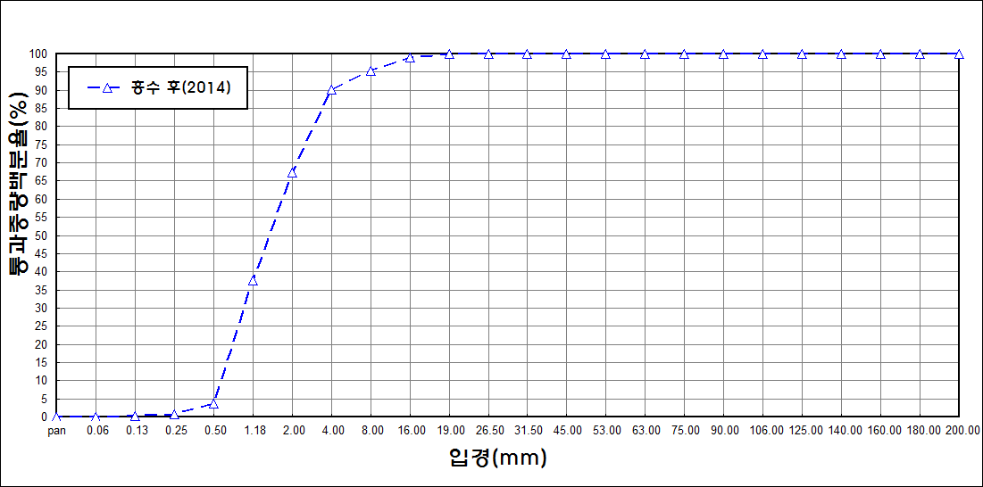
after the flood (2014)
percent passing(%)
particle size (mm)
7 | 83.34 | 9.74 | 4.78 | 0.57 | 0 | 0 | 0 | 0
8 | 75.11 | 11.65 | 10.26 | 0.98 | 0 | 0 | 0 | 0
9 | 87.28 | 8.59 | 2.08 | 0.09 | 0 | 0 | 0 | 0
10 | 79.58 | 12.02 | 5.74 | 0.98 | 0.06 | 0 | 0 | 0
11 | 82.76 | 10.63 | 3.82 | 0.68 | 0.08 | 0 | 0 | 0
12 | 82.41 | 9.63 | 3.71 | 1.08 | 0.31 | 0.12 | 0.04 | 0
13 | 84.4 | 7.86 | 3.06 | 1.24 | 0.36 | 0 | 0 | 0
14 | 85.15 | 8.65 | 3.04 | 0.76 | 0.05 | 0 | 0 | 0
15 | 79.96 | 13.84 | 4.61 | 0.25 | 0 | 0 | 0 | 0
mean | 76.33 | 12.09 | 5.07 | 0.71 | 0.09 | 0.01 | 0 | 0

